pivot
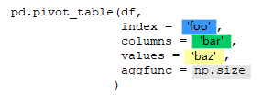
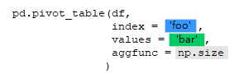

bar | A | B | C | bar | A | B | C | bar | A | B | C |  | bar | bar | A | B | C | foo | bar | foo | bar
foo |  |  |  | foo |  |  |  | foo |  |  |  | foo |  | foo |  |  |  | one | [A, B, C] | one | A
one | 1 | 2 | 3 | one | 1 | 2 | 3 | one | 1 | 1 | 1 | one | 3 | one | 1 | 2 | 3 | two | [A, B, C] | one | B
two | 4 | 5 | 6 | two | 4 | 5 | 6 | two | 1 | 1 | 1 | two | 3 | two | 4 | 5 | 6 |  |  | one | C
 |  |  |  |  |  |  |  |  |  |  |  |  |  |  |  |  |  |  |  | two | A
 |  |  |  |  |  |  |  |  |  |  |  |  |  |  |  |  |  |  |  | two | B
 |  |  |  |  |  |  |  |  |  |  |  |  |  |  |  |  |  |  |  | two | C

